Screenshots
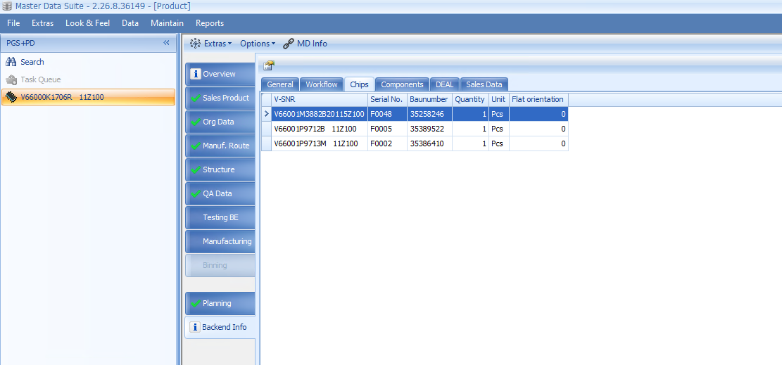
Image 1 — referenced from 'Testing Status'!H7
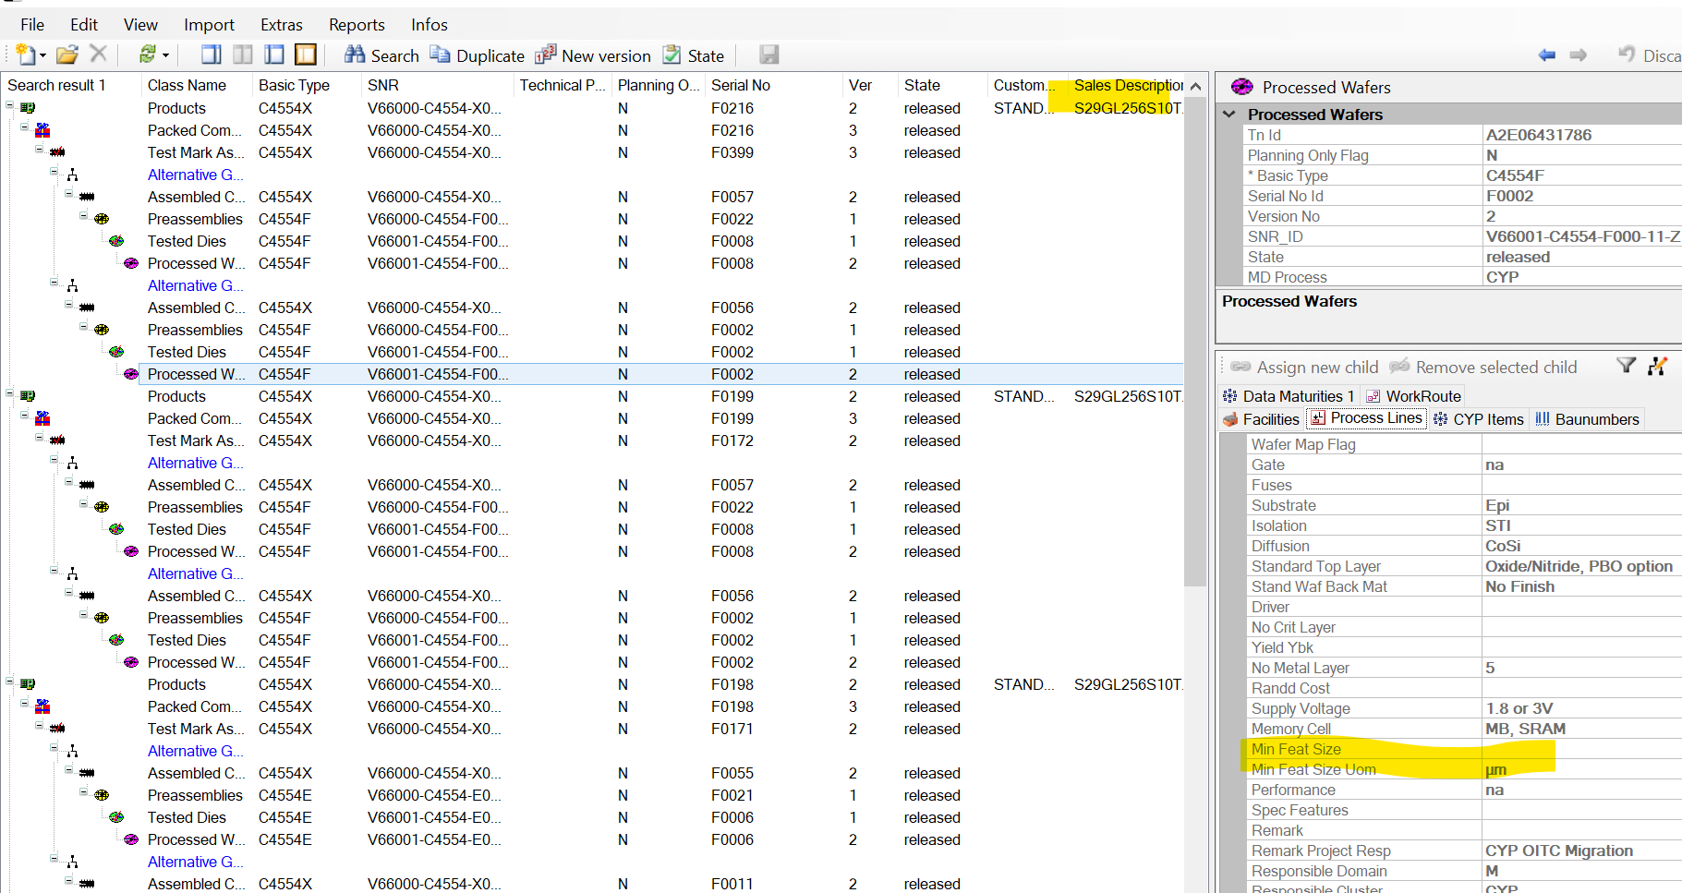

Image 2 — referenced from 'Testing Status'!D41

